Invoice
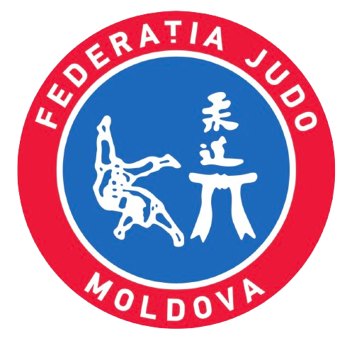
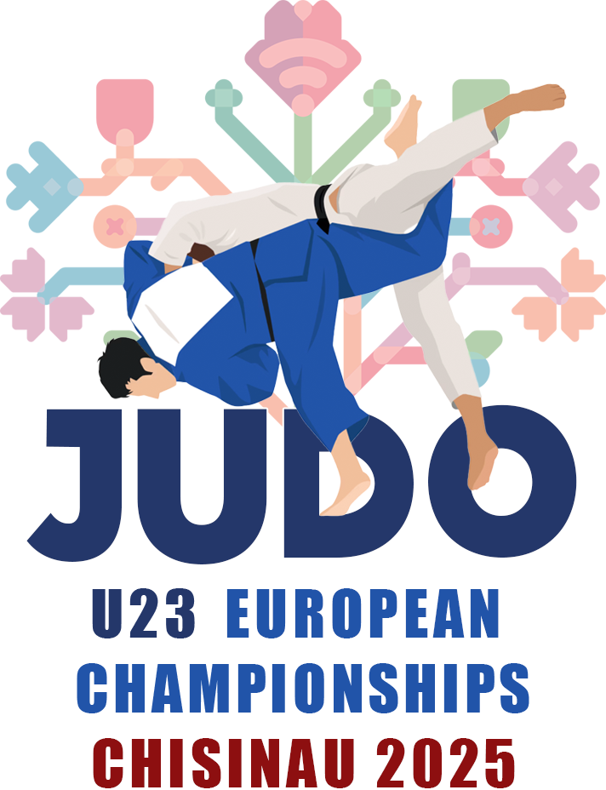
Moldova Judo Federation |  |  |  | EUROPEAN JUDO CHAMPIONSHIPS U23 OCTOBER 31st to NOVEMBER 2nd 2025 CHISINAU - MOLDOVA |  |  |  |  | Hotel Reservation Form
Str Decebal 72/2, |  |  |  |  |  |  |  |  | Return before October 10th 2025 to
MD - 2038 Chisinãu
Phone: +373 22 109 091
 |  |  |  |  |  |  |  |  | E-mail: | accommodation@fjm.md

Deliver to:
 |  |  |  |  |  |  |  |  |  |  | PROFORMA INVOICE
 |  |  |  |  |  |  |  |  |  |  | DATE
 |  |  |  |  |  |  |  |  |  |  | CHISINÃU | 2025-08-29 15:36:21

Mercure Chisinau
CATEGORY A |  |  | 2025-10-27 | 2025-10-28 | 2025-10-29 | 2025-10-30 | 2025-10-31 | 2025-11-01 | 2025-11-02 | Total Nights |  | Total Amount
HB | Single | 225 € | 0 | 0 | 0 | 0 | 0 | 0 | 0 | 0 |  | 0.00 €
 | Double | 195 € | 0 | 0 | 0 | 0 | 0 | 0 | 0 | 0 |  | 0.00 €
 |  |  |  |  |  |  |  |  |  | 0 |  | 0.00 €

Joly Alon Hotel
CATEGORY A |  |  | 2025-10-27 | 2025-05-23 | 2025-05-24 | 2025-05-25 | 2025-05-26 | 2025-11-01 | 2025-11-02 | Total Nights |  | Total Amount
HB | Single | 210 € | 0 | 0 | 0 | 0 | 0 | 0 | 0 | 0 |  | 0.00 €
 | Double | 180 € | 0 | 0 | 0 | 0 | 0 | 0 | 0 | 0 |  | 0.00 €
 | Triple | 165 € | 0 | 0 | 0 | 0 | 0 | 0 | 0 | 0 |  | 0.00 €
 |  |  |  |  |  |  |  |  |  | 0 |  | 0.00 €

Bristol Central Park
CATEGORY B |  |  | 2025-05-22 | 2025-05-23 | 2025-05-24 | 2025-05-25 | 2025-05-26 | 2025-11-01 | 2025-11-02 | Total Nights |  | Total Amount
HB | Single | 185 € | 0 | 0 | 0 | 0 | 0 | 0 | 0 | 0 |  | 0.00 €
 | Double | 155 € | 0 | 0 | 0 | 0 | 0 | 0 | 0 | 0 |  | 0.00 €
 | Triple | 140 € | 0 | 0 | 0 | 0 | 0 | 0 | 0 | 0 |  | 0.00 €
 |  |  |  |  |  |  |  |  |  | 0 |  | 0.00 €

Institute Muncii
CATEGORY C |  |  | 2025-05-22 | 2025-05-23 | 2025-05-24 | 2025-05-25 | 2025-05-26 | 2025-11-01 | 2025-11-02 | Total Nights |  | Total Amount
HB | Single | 140 € | 0 | 0 | 0 | 0 | 0 | 0 | 0 | 0 |  | 0.00 €
 | Twin | 110 € | 0 | 0 | 0 | 0 | 0 | 0 | 0 | 0 |  | 0.00 €
 | Triple | 95 € | 0 | 0 | 0 | 0 | 0 | 0 | 0 | 0 |  | 0.00 €
 |  |  |  |  |  |  |  |  |  | 0 |  | 0.00 €

 |  |  |  |  |  |  |  |  | EJU Fee
 |  |  |  |  |  |  |  |  | Price | Total | Total Amount
Meals |  |  |  |  |  |  |  |  | 100 € | 0 | 0.00 €
Hotel | Category | Meal | Price | Qtd | Total
Mercure Chisinau | A | Hotel | 35.00 € | 0 | - €
 |  | Venue | 30.00 € | 0 | - €
Joly Alon Hotel | A | Hotel | 35.00 € | 0 | - €
 |  | Venue | 30.00 € | 0 | - €
Bristol Central Park | B | Hotel | 35.00 € | 0 | - €
 |  | Venue | 30.00 € | 0 | - €
Institute Muncii | C | Hotel | 30.00 € | 0 | - €
 |  | Venue | 30.00 € | 0 | - €
 |  |  |  | Total | - € |  | Total |  |  |  |  | - €

 |  |  |  |  |  |  | 30% Surcharge (reservations after Octuber 10th) |  |  |  |  | - €

Address: |  |  |  |  |  |  | Total with Surcharge |  |  |  |  | - €

 |  |  |  |  |  |  | Attention!!! Forms must be sent in Excel format
Payment Conditions
All bank fees and money transfer costs must be paid by the participating federation. No exceptions will be made

Bank Details |  |  |  |  |  | Cancellation Policy
Name of the bank : BC VICTORIABANK SA Address of the bank: 31 August str. 141, MD 2004 Chisinau, Republic of Moldova IBAN: MD61VI0225103000000656 SWIFT: VICBMD2X Purpose of payment: "COUNTRY" European Championships U23 Chisinau |  |  |  |  |  | Till September 30rd |  |  | 100% refund
 |  |  |  |  |  | From October 1st to October 9th (inclusive) |  |  | 50% refund
 |  |  |  |  |  | From October 10th |  |  | no refund

