1_Travel Details
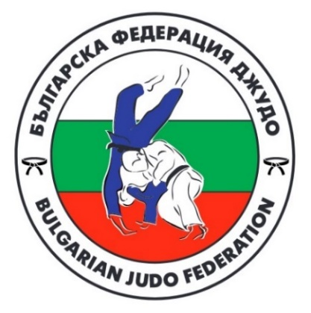

 |  | Sofia European Open 2026

 |  | 31 January - 1 February, 2026

TEAM

Travel Details | No. | Name | Arrival date | Arrival time | Flight no. | Departure date | Departure time | Flight no.2 | No. Of persons
 | 1
 | 2
 | 3
 | 4
 | 5
 | 6
 | 7
 | 8
 | 9
 | 10
 | 11
 | 12
 | 13
 | 14
 | 15
 | 16
 | 17
 | 18
 | 19
 | 20
 | 21
 | 22
 | 23
 | 24
 | 25
 | 26
 | 27
 | 28
 | 29
 | 30
 | 31
 | 32
 | 33
 | 34
 | 35
 | 36
 | 37
 | 38
 | 39
 | 40
 | 41
 | 42
 | 43
 | 44
 | 45
 | 46
 | 47
 | 48
 | 49
 | 50
 | 51
 | 52
 | 53
 | 54
 | 55
 | 56
 | 57
 | 58
 | 59
 | 60

3_Meals

 | Sofia European Open 2026

 | 31 January - 1 February, 2026

TEAM
HOTEL | Hotel MOSKVA
DATE | No. of lunches at the Hotel / price € |  | No. of dinners at the Hotel / price € |  | No. of lunches at the Sport Hall / price €
28-Jan-2026 |  |  |  | 30.00 €
29-Jan-2026 |  | 30.00 €
30-Jan-2026
31-Jan-2026 |  |  |  |  |  | 17.00 €
1-Feb-2026 |  |  |  |  | 0
2-Feb-2026 |  | 30.00 €
3-Feb-2026
4-Feb-2026
TOTAL: | Num. Lunches at the hotel: | 0 | Num. Dinners: | 0 | Num. Lunches at the Sport Hall: | 0
 | TOTAL LUNCHES AT THE HOTEL €: | 0.00 € | TOTAL DINNERS AT THE HOTEL €: | 0.00 € | TOTAL LUNCHES AT THE SPORTS HALL €: | 0.00 €

 | Lunch during competition days will be served in the sports hall only.

