Tabelle1
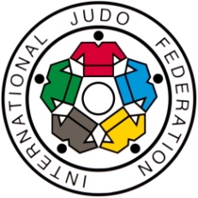

EUROPEAN OPEN WOMEN WARSAW 1.-2.MARCH 2014

Number of fights |  | 154
Ippon | 84 | 54.55%
Waza-Ari | 20 | 12.99%
Yuko | 22 | 14.29%
Shido | 22 | 14.29%
HSM (4xShido) | 5 | 3.25%
HSM Leg grip | 0 | 0.00%
HSM direct | 1 | 0.65%
Fusen-Gachi | 0 | 0.00%
Kiken-Gachi | 0 | 0.00%
Golden Score | 5 | 3.25%
European Open women Warsaw 2014

additional scores (not winning scores) :

 | Waza-Ari : | 26
 | Yuko : | 47

Ippon | 84
Nage-Waza | 45
Ne-Waza | 39

Ippon Ne-Waza | 39
Osae-Komi | 21
Kansetzu-Waza | 10
Shime-Waza | 8

Total 84 Ippon

Total 39 Ippon Ne-Waza

