invoice
Český svaz juda / Czech Judo Federation

Zátopkova 100/2, 160 17 Praha 6 - Břevnov |  |  |  |  | Bank: | MONETA MONEY BANK
Czech Republic |  |  |  |  |  | Vítězné nám. 2
Id. No.: 00537560 |  |  |  |  |  | 160 00 Praha 6, Czech Republic
VAT: CZ00537560 |  |  |  |  | A/C No.: | 181 060 351/0600
tel: +420-233-355-280 |  |  |  |  | IBAN : | CZ14 0600 0000 0001 8106 0351
fax: +420-257-214-265 |  |  |  |  | SWIFT: | AGBACZPP
e-mail: sejudo@cstv.cz |  |  |  |  | Bank sorting Code : 1111 Cesky svaz juda

OTC Going for Gold
Nymburk - Czech Republic

INVOICE no.: |  | 42717 |  | Date: | 2016-12-13
 | To: | 0

HOTEL | Arrival date | Departure date | Number / rooms | Number / persons | Nights | PP/night | Transport from/to Prague | EJU fee | TOTAL €
SPORT CENTER
Single | 0 | 0 | 0 | 0 | 0 | 0 € | 0 € | 0 € | 0 €
Single | 0 | 0 | 0 | 0 | 0 | 0 € | 0 € | 0 € | 0 €
Single | 0 | 0 | 0 | 0 | 0 | 0 € | 0 € | 0 € | 0 €
Double | 0 | 0 | 0 | 0 | 0 | 0 € | 0 € | 0 € | 0 €
Double | 0 | 0 | 0 | 0 | 0 | 0 € | 0 € | 0 € | 0 €
Double | 0 | 0 | 0 | 0 | 0 | 0 € | 0 € | 0 € | 0 €
Double | 0 | 0 | 0 | 0 | 0 | 0 € | 0 € | 0 € | 0 €
Triple | 0 | 0 | 0 | 0 | 0 | 0 € | 0 € | 0 € | 0 €
Triple | 0 | 0 | 0 | 0 | 0 | 0 € | 0 € | 0 € | 0 €
Triple | 0 | 0 | 0 | 0 | 0 | 0 € | 0 € | 0 € | 0 €
Triple | 0 | 0 | 0 | 0 | 0 | 0 € | 0 € | 0 € | 0 €
Subtotal |  |  |  |  |  |  |  | 0 €
EJU supported Athletes |  |  |  |  |  |  |  |  | 0 €
Names of the EJU Supported Athletes: |  | 0
SUBTOTAL |  |  |  |  |  |  |  | 0 €
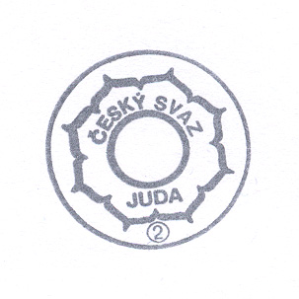

TOTAL PAYMENT |  | 0 €

 |  |  |  |  | signature

