forms
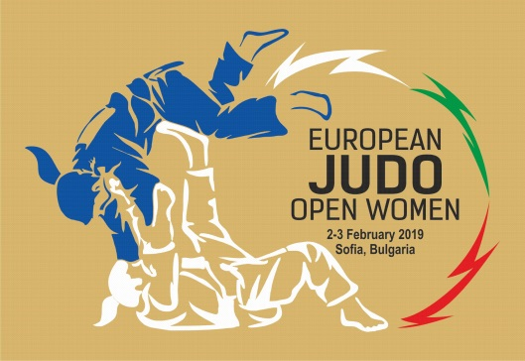
 | European Judo Open Women

 | 02 - 03 February, 2019

IMPORTANT: FILL UP THE GREY CELLS

TEAM

Traveling details | Arrival date | Arrival time | Flight no. | No. Of persons | Departure date |  | Departure time | Flight no. | No. Of persons

ACCOMMODATION
HOTEL | Arrival date | Departure date |  | Number / rooms | Number / persons | Nights | Per Person / Night € | TOTAL €
Park Hotel Moskva
Single |  |  |  | 0 |  | 0 | 115 | 0
Single |  |  |  | 0 |  | 0 | 115 | 0
Single |  |  |  | 0 |  | 0 | 115 | 0
Single |  |  |  | 0 |  | 0 | 115 | 0
Single |  |  |  | 0 |  | 0 | 115 | 0
Single |  |  |  | 0 |  | 0 | 115 | 0
Single |  |  |  | 0 |  | 0 | 115 | 0
Single |  |  |  | 0 |  | 0 | 115 | 0
Double |  |  |  | 0 |  | 0 | 95 | 0
Double |  |  |  | 0 |  | 0 | 95 | 0
Double |  |  |  | 0 |  | 0 | 95 | 0
Double |  |  |  | 0 |  | 0 | 95 | 0
Double |  |  |  | 0 |  | 0 | 95 | 0
Double |  |  |  | 0 |  | 0 | 95 | 0
Double |  |  |  | 0 |  | 0 | 95 | 0
Trpple |  |  |  | 0 |  | 0 | 85 | 0
Trpple |  |  |  | 0 |  | 0 | 85 | 0
Trpple |  |  |  | 0 |  | 0 | 85 | 0
Trpple |  |  |  | 0 |  | 0 | 85 | 0
Trpple |  |  |  | 0 |  | 0 | 85 | 0
Trpple |  |  |  | 0 |  | 0 | 85 | 0
Trpple |  |  |  | 0 |  | 0 | 85 | 0
Trpple |  |  |  | 0 |  | 0 | 85 | 0

 |  |  |  |  | TOTAL € |  |  | 0

Lunch packet in the competition hall-10 € per person

Lunch and dinner in the hotel- 15 € per person

INVOICE CAN BE PRINTED FROM THE 3TH LIST

