forms
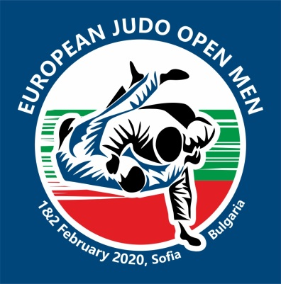
 | EUROPEAN JUDO OPEN MEN

 | 01 - 02 February, 2020

IMPORTANT: FILL UP THE GREY CELLS

TEAM

Traveling details | Arrival date | Arrival time | Flight no. | No. Of persons | Departure date |  | Departure time | Flight no. | No. Of persons

ACCOMMODATION
HOTEL | Arrival date | Departure date |  | Number / rooms | Number / persons | Nights | Per Person / Night € | TOTAL €
HOTEL RAMADA
Single |  |  |  | 0 |  | 0 | 125 | 0
Single |  |  |  | 0 |  | 0 | 125 | 0
Single |  |  |  | 0 |  | 0 | 125 | 0
Single |  |  |  | 0 |  | 0 | 125 | 0
Single |  |  |  | 0 |  | 0 | 125 | 0
Single |  |  |  | 0 |  | 0 | 125 | 0
Single |  |  |  | 0 |  | 0 | 125 | 0
Single |  |  |  | 0 |  | 0 | 125 | 0
Double |  |  |  | 0 |  | 0 | 105 | 0
Double |  |  |  | 0 |  | 0 | 105 | 0
Double |  |  |  | 0 |  | 0 | 105 | 0
Double |  |  |  | 0 |  | 0 | 105 | 0
Double |  |  |  | 0 |  | 0 | 105 | 0
Double |  |  |  | 0 |  | 0 | 105 | 0
Double |  |  |  | 0 |  | 0 | 105 | 0
Triple |  |  |  | 0 |  | 0 | 90 | 0
Triple |  |  |  | 0 |  | 0 | 90 | 0
Triple |  |  |  | 0 |  | 0 | 90 | 0
Triple |  |  |  | 0 |  | 0 | 90 | 0
Triple |  |  |  | 0 |  | 0 | 90 | 0
Triple |  |  |  | 0 |  | 0 | 90 | 0
Triple |  |  |  | 0 |  | 0 | 90 | 0
Triple |  |  |  | 0 |  | 0 | 90 | 0

 |  |  |  |  | TOTAL € |  |  | 0

Lunch packet during competition days - 12 euro

Lunch and dinner in Hotel RAMADA- 18 euro
Lunch and dinner in Hotel HILTON - 27 euro
INVOICE CAN BE PRINTED FROM THE 3TH LIST

