invoice
Latvijas Džudo federācija / Latvian Judo Federation
E.Birznieka Upīša iela 21e, Rīga |  |  | Bank: | “Swedbank” AS
Id. No.: 40008023336 |  |  |  | Balasta dambis 15, Rīga,
tel: +371 28353012 |  |  |  | LV-1048, Latvija
e-mail: info@judo.org.lv |  |  | IBAN : | LV56HABA0551047438605
 |  |  | SWIFT: | HABALV22

Riga Senior European Cup 2023 |  |  |  |  | RIGA 2023
INVOICE no.: |  | #N/A |  | Date: | 2023-02-20
 | To:
ACCOMMODATION TOURNAMENT
HOTEL | Arrival date | Departure date | Number / rooms | Number / persons | Nights | PP/night | TOTAL €
Pullman Riga Old town hotel
 |  |  |  |  |  | 150 €
 |  |  |  |  |  | 150 €
 |  |  |  |  |  | 115 €
 |  |  |  |  |  | 115 €
 |  |  |  |  |  | 115 €
Bellevue Park Hotel Riga
 |  |  |  |  |  | 125 €
 |  |  |  |  |  | 125 €
 |  |  |  |  |  | 95 €
 |  |  |  |  |  | 95 €
 |  |  |  |  |  | 95 €
ACCOMMODATION TOURNAMENT TOTAL |  |  |  |  |  |  | € -
MEALS |  |  |  | Lunch in the venue | Lunch in the hotel | Dinner | TOTAL €
Thursday |  |  | 2023-03-16
Friday |  |  | 2023-03-17
Saturday |  |  | 2023-03-18
Sunday |  |  | 2023-03-19
Monday |  |  | 2023-03-20
TOURNAMENT MEALS TOTAL |  |  |  |  |  |  | € -
EJU Fee |  |  |  |  |  |  | € -
TOTAL |  |  |  |  |  |  | € -
BANK TRANSFER
REFUND
PAID IN CASH |  |  |  |  |  |  | € -

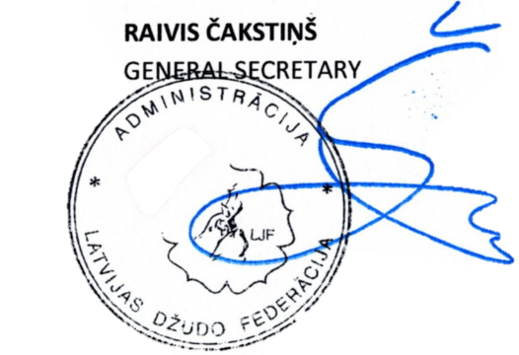
TOTAL |  | € -
signature

